Hoja1
AB//CD | 00 | 01 | 11 | 10
00 | ABCD | ABCD | ABCD | ABCD |  |  |  | AB//CD | 00 | 01 | 11 | 10
01 | ABCD | ABCD | ABCD | ABCD |  |  |  | 00 | 0 | 1 | 3 | 2
11 | ABCD | ABCD | ABCD | ABCD |  |  |  | 01 | 4 | 5 | 7 | 6
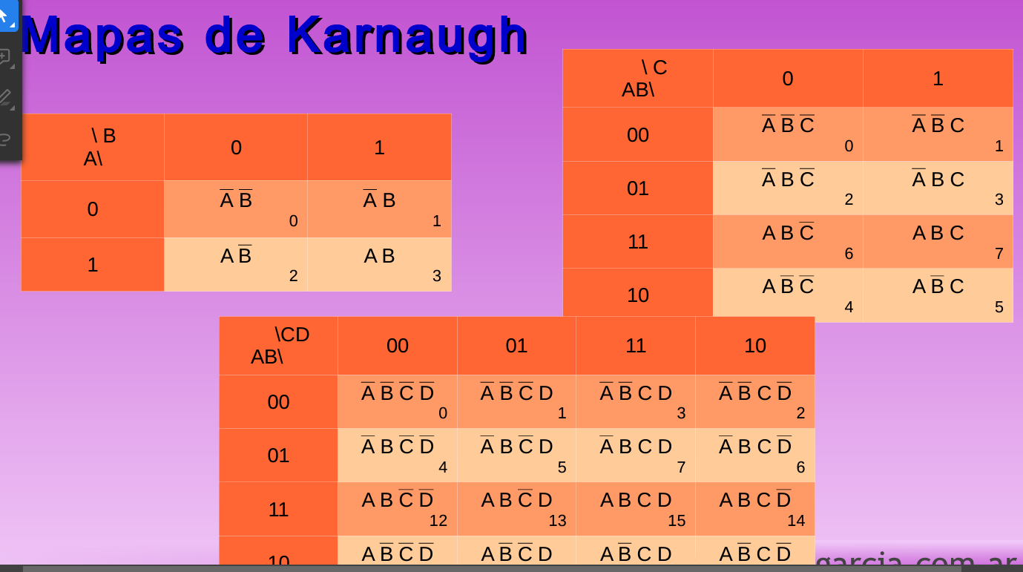
10 | ABCD | ABCD | ABCD | ABCD |  |  |  | 11 | 12 | 13 | 15 | 14
 |  |  |  |  |  |  |  | 10 | 8 | 9 | 11 | 10
A//B | 0 | 1
0 | AB | AB
1 | AB | AB |  |  |  |  |  | ABC+AB+BC+-AD
 |  |  |  |  |  |  |  | A"B(C"+D")+BC+A"D"
AB//C | 0 | 1 |  | AB//C | 0 | 1
00 | ABC | ABC |  | 00 | ABC | ABC |  | AB//CD | 00 | 01 | 11 | 10
01 | ABC | ABC |  | 01 | ABC | ABC |  | 00 | ABCD | ABCD | ABCD | ABCD
11 | ABC | ABC |  | 11 | ABC | ABC |  | 01 | ABCD | ABCD | ABCD | ABCD
10 | ABC | ABC |  | 10 | ABC | ABC |  | 11 | ABCD | ABCD | ABCD | ABCD
 |  |  |  |  |  |  |  | 10 | ABCD | ABCD | ABCD | ABCD

ABC + ABC ´+ AB`C + ABC

 | TABLA DE VERDAD
 | A | -A | B | -B | C | -C | D | -D | -AB | -C+-D | A"B(C"+D")
1 | 0 | 1 | 0 | 1 | 0 | 1 | 0 | 1 | 0 | 1 | 0
2 | 0 | 1 | 0 | 1 | 0 | 1 | 1 | 0 | 0 | 1 | 0
3 | 0 | 1 | 0 | 1 | 1 | 0 | 0 | 1 | 0 | 1 | 0
4 | 0 | 1 | 0 | 1 | 1 | 0 | 1 | 0 | 0 | 0 | 0
5 | 0 | 1 | 1 | 0 | 0 | 1 | 0 | 1 | 1 | 1 | 1
6 | 0 | 1 | 1 | 0 | 0 | 1 | 1 | 0 | 1 | 1 | 1
7 | 0 | 1 | 1 | 0 | 1 | 0 | 0 | 1 | 1 | 1 | 1
8 | 0 | 1 | 1 | 0 | 1 | 0 | 1 | 0 | 1 | 0 | 0
9 | 1 | 0 | 0 | 1 | 0 | 1 | 0 | 1 | 0 | 1 | 0
10 | 1 | 0 | 0 | 1 | 0 | 1 | 1 | 0 | 0 | 1 | 0
11 | 1 | 0 | 0 | 1 | 1 | 0 | 0 | 1 | 0 | 1 | 0
12 | 1 | 0 | 0 | 1 | 1 | 0 | 1 | 0 | 0 | 0 | 0
13 | 1 | 0 | 1 | 0 | 0 | 1 | 0 | 1 | 0 | 1 | 0
14 | 1 | 0 | 1 | 0 | 0 | 1 | 1 | 0 | 0 | 1 | 0
15 | 1 | 0 | 1 | 0 | 1 | 0 | 0 | 1 | 0 | 1 | 0
16 | 1 | 0 | 1 | 0 | 1 | 0 | 1 | 0 | 0 | 0 | 0

